4_AttributeRanking
Spread between min and max tells us importance - then there are 2 ways to present this
(Analysis hereon assumes we are okay with statistical significance, i.e. P-values, of coefficients)
 |  | Replicating Winston Table 16-3 |  |  |  | VWF'21 p. 54-56

 | Attribute | Max Impact | Min Impact | Spread | Rank | Importance |  | Coeff_
 | Flavor | 1.45 | -1.74 | 3.19 | 1 | 56% | Attribute | Level | Utility
 | Cone_Type | 0.26 | -0.26 | 0.52 | 3 | 9% | Flavor | Flavor_Mango | 1.45
 | Price | 0.86 | -0.86 | 1.72 | 2 | 30% | Flavor | Flavor_Chocolate | -1.74
 | Organic | 0.12 | -0.12 | 0.24 | 4 | 4% | Flavor | Flavor_Strawberry | 0.30
 |  |  |  | 5.67 |  |  | Cone_Type | Cone_Type_Plain | 0.26
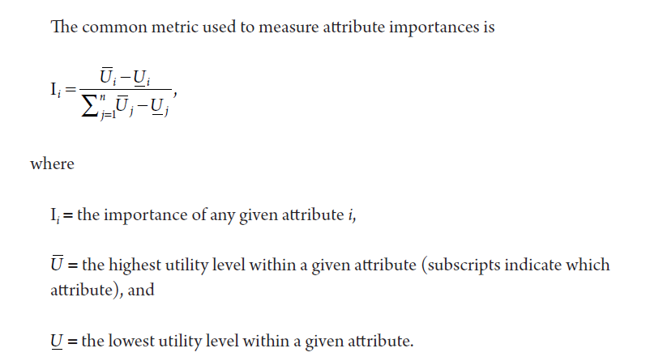
 |  |  |  |  |  |  | Cone_Type | Cone_Type_Waffle | -0.26
 |  |  |  |  |  |  | Price | Price_300 | 0.86
 |  |  |  |  |  |  | Price | Price_500 | -0.86
 |  |  |  |  |  |  | Organic | Organic_No | -0.12
 |  |  |  |  |  |  | Organic | Organic_Yes | 0.12

5_LevelPartworths
Utility Partworths Calculation - VWF and other methods

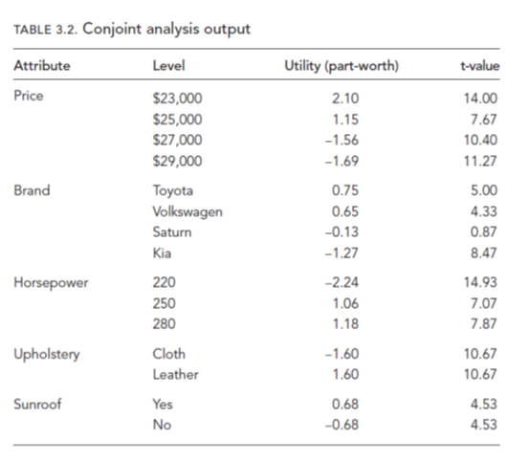
 |  |  |  |  | Zero-Sum VWF | (better than t-values)
 | Attribute | Level | Co-efficients | AttributeMean | Utility (part-worth) | p-values
 | Flavor | Flavor_Mango | 1.15 | -0.30 | 1.45 | 0.0%
 | Flavor | Flavor_Chocolate | -2.04 | -0.30 | -1.74 | 0.0%
 | Flavor | Flavor_Strawberry | 0.00 | -0.30 | 0.30 | 0.0%
 | Cone_Type | Cone_Type_Plain | 0.00 | -0.26 | 0.26 | 0.0%
 | Cone_Type | Cone_Type_Waffle | -0.52 | -0.26 | -0.26 | 0.5%
 | Price | Price_300 | 0.00 | -0.86 | 0.86 | 0.0%
 | Price | Price_500 | -1.72 | -0.86 | -0.86 | 0.0%
 | Organic | Organic_No | 0.00 | 0.12 | -0.12 | 0.0%
 | Organic | Organic_Yes | 0.24 | 0.12 | 0.12 | 16.1%

 |  |  | Make Bundles | Bundles 1 | Bundles 2 | Difference between bundles shows trade off
 |  |  |  | 1.92 | 2.16 | (0.24)

7_MktShareSimulator
Using VWF part-worth/utility to simulate market

 | Level | Flavor_Mango | Flavor_Chocolate | Flavor_Strawberry | Cone_Type_Plain | Cone_Type_Waffle | Price_300 | Price_500 | Organic_No | Organic_Yes
 | Part-worth | 1.45 | -1.74 | 0.30 | 0.26 | -0.26 | 0.86 | -0.86 | -0.12 | 0.12

 | Assume there are following products 1-3 in the market and WE are considering replacing 3 with 4?
 |  | Product | Flavor | Cone_Type | Price | Organic |  | NOTE: Market Share Simulation is only
 |  | Tropical | Mango | Plain | $5.00 | No |  | as reliable as your Adjusted R-Square
 |  | Party | Chocolate | Waffle | $3.50 | Yes |  | Ours is 30% explained by attributes meaning
 |  | Fruity Organic | Strawberry | Waffle | $5.00 | Yes |  | we are missing/not controlling for important variables
 |  | Fruity | Strawberry | Plain | $3.50 | No

 | Market Share Calculation with just FIRST 3 PRODUCTS

 | Product | Market Share | Exponential | Total Worth/Utiity | Flavor_Mango | Flavor_Chocolate | Flavor_Strawberry | Cone_Type_Plain | Cone_Type_Waffle | Price_300 | Price_500 | Organic_No | Organic_Yes
 | Tropical | 71% | 2.068 | 0.727 | 1 |  |  | 1 |  |  | 1 | 1
 | Party | 12% | 0.359 | -1.025 |  | 1 |  |  | 1 | 1 |  |  | 1
 | Fruity Organic | 17% | 0.496 | -0.702 |  |  | 1 |  | 1 |  | 1 |  | 1
 |  |  | 2.923
 | Assignment: Market Share after introducing 4th product AFTER REPLACING 3? Do on next sheet

ASSN_MktShare
Market Share after introducing "Fruity" product AFTER REPLACING "Fruity Organic"?

 | Level | Flavor_Mango | Flavor_Chocolate | Flavor_Strawberry | Cone_Type_Plain | Cone_Type_Waffle | Price_300 | Price_500 | Organic_No | Organic_Yes
 | Part-worth | 1.45 | -1.74 | 0.30 | 0.26 | -0.26 | 0.86 | -0.86 | -0.12 | 0.12

 | Assume there are following products 1-3 in the market and WE are considering replacing 3 with 4?
 |  | Product | Flavor | Cone_Type | Price | Organic |  | NOTE: Market Share Simulation is only
 |  | Tropical | Mango | Plain | $5.00 | No |  | as reliable as your Adjusted R-Square
 |  | Party | Chocolate | Waffle | $3.50 | Yes |  | Ours is 30% explained by attributes meaning
 |  | Fruity Organic | Strawberry | Waffle | $5.00 | Yes |  | we are missing/not controlling for important variables
 |  | Fruity | Strawberry | Plain | $3.50 | No

 | Market Share Calculation with just FIRST 3 PRODUCTS

 | Product | Market Share | Exponential | Total Worth/Utiity | Flavor_Mango | Flavor_Chocolate | Flavor_Strawberry | Cone_Type_Plain | Cone_Type_Waffle | Price_300 | Price_500 | Organic_No | Organic_Yes
 | Tropical | 34% | 2.068 | 0.727 | 1 |  |  | 1 |  |  | 1 | 1
 | Party | 6% | 0.359 | -1.025 |  | 1 |  |  | 1 | 1 |  |  | 1
 | Fruity | 60% | 3.667 | 1.299 |  |  | 1 | 1 |  | 1 |  | 1
 |  |  | 6.094
 | Assignment: Market Share after introducing 4th product AFTER REPLACING 3? Do on next sheet

